BOD Process With SS
GREEK BOD and EOD PROCESS
BOD Process: -
1. ./startapp CTCLManager
2. ./startapp SMM
3. ./startapp ClientCommunicator
4. ./startapp RMS
5. ./startapp GATS
6. ./startapp NSEInteractive_DCLR 1
7. ./startapp NSEInteractive_DCLR 2
8. ./startapp NSEBroadCast 1
9. ./startapp NSEBroadCast 2
Above mentioned components should start in listed manner only after previous component is started properly.
How to Start Process of BOD of Greek Manager through terminal?
A. To Open the terminal of a Manager folder right click on manager folder and select option as a ‘open in terminal ‘ selecting target folder
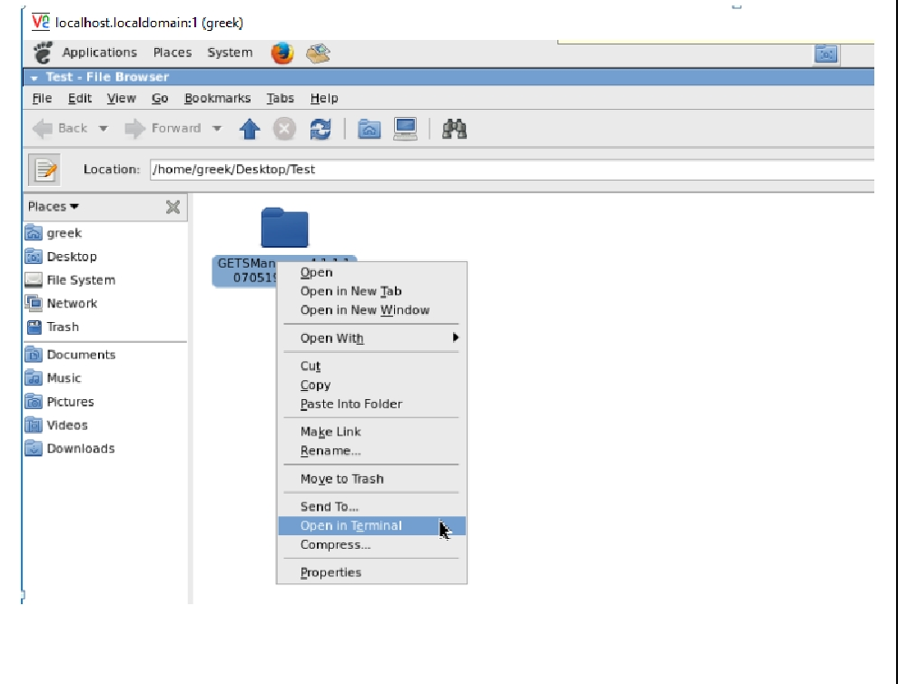

B. Start the manager first component by typing command
./startapp CTCLManager
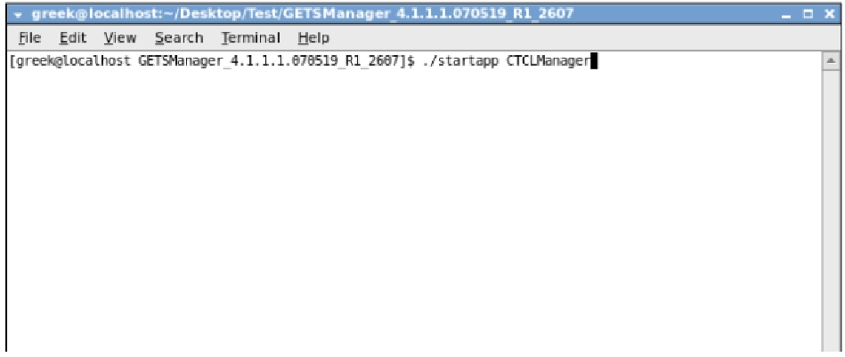

C. Now you observe contract security upload process start on manager

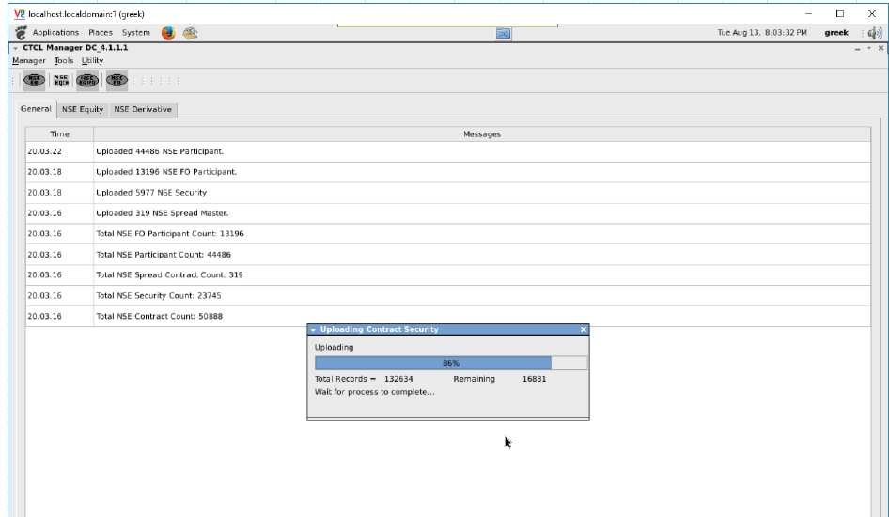

D. After successful uploading contract security now open the new tab to open next component.
Use Ctrl + Shift + T to open new tab. Note: - Every new component should open in new tab.

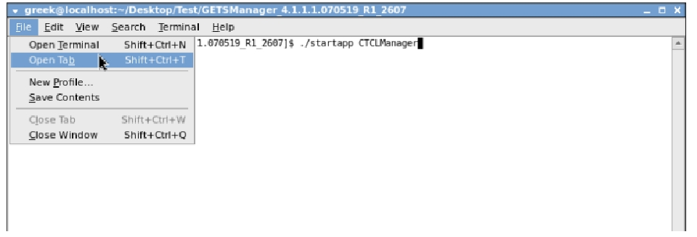

E. Set tittle name with short name for each tab to identify the terminal.
Use ALT+T shortcut key to set tittle option
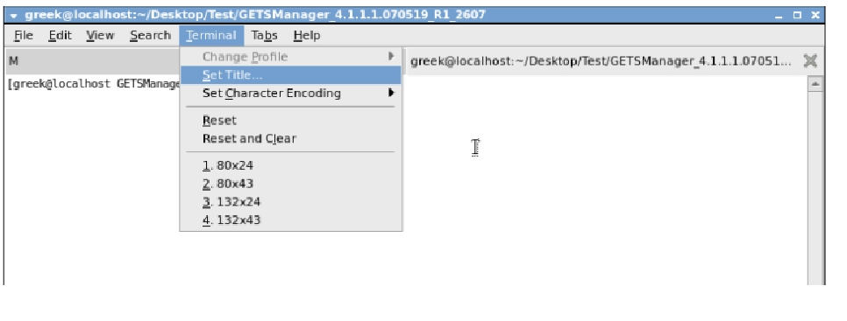

F. Now start the second component i.e. SMM by typing below command in new tab
./startapp SMM
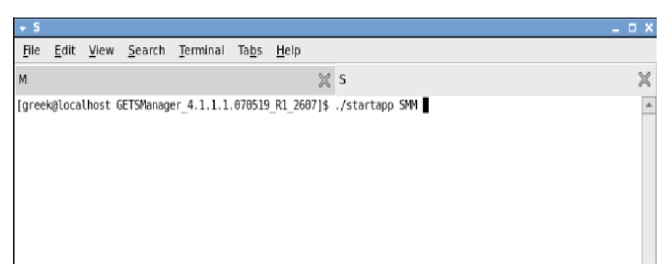

G. Start the next component By using command following command in new tab
./startapp ClientCommunicator
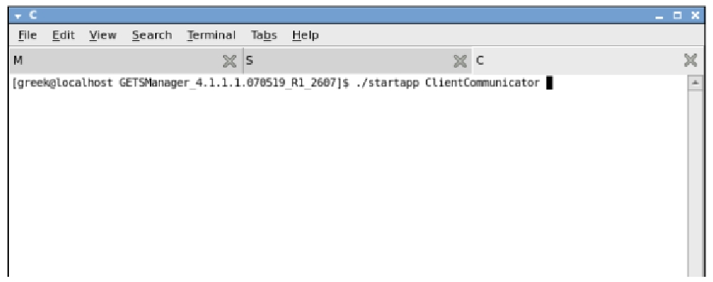

After Successful run the component you got the popup of below mentioned window.

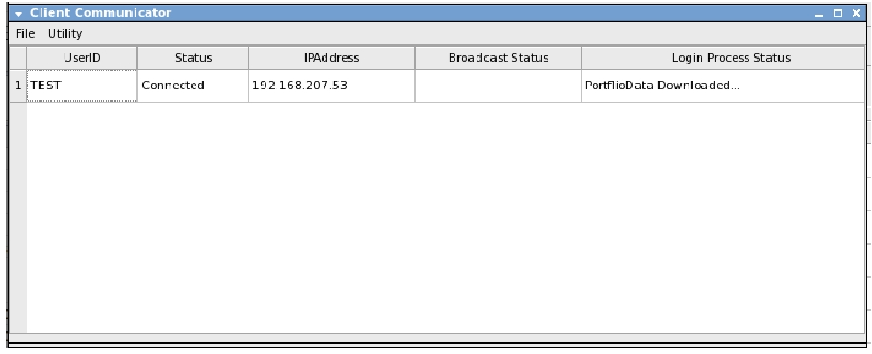

H. start the next component by typing command
./startapp RMS
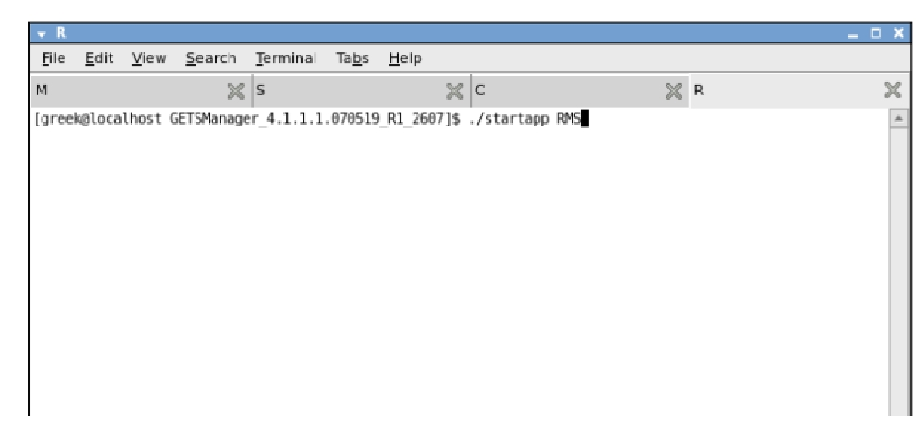

After Successful run the component you got the popup of below mentioned window.

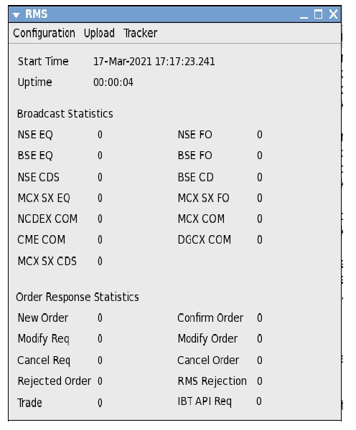

I. start the next component by typing command
./startapp GATS
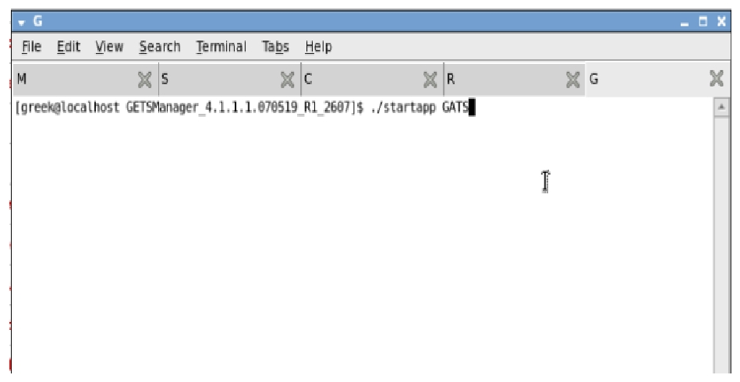

After Successful run the component you got the popup of below mentioned window
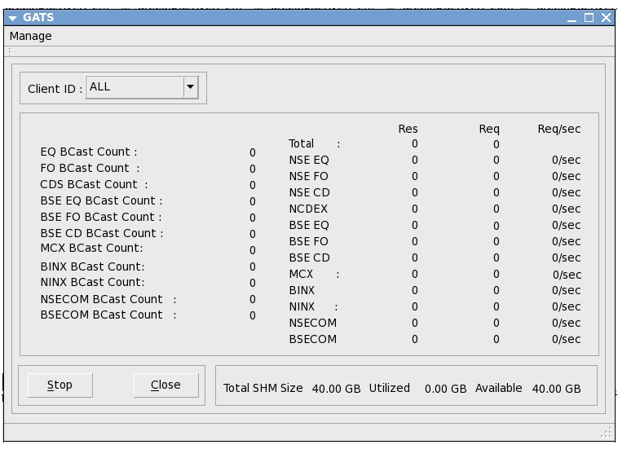

J. Start NSE Equity Interactive component for login in equity segment
./startapp NSEInteractive_DCLR 1

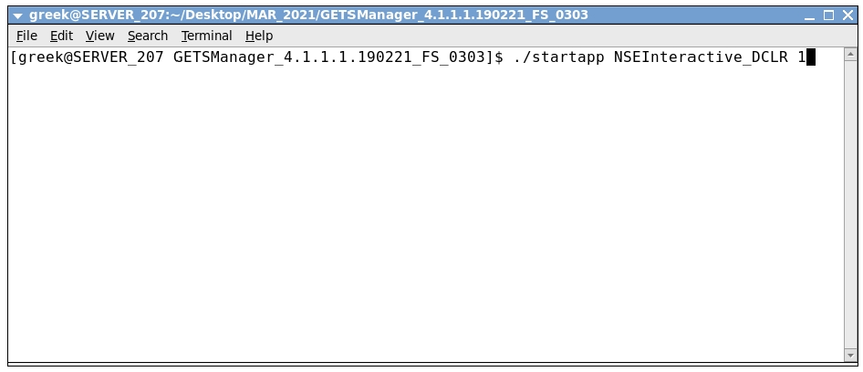

K. NSE Derivatives Interactive component for login in Derivative segment
./startapp NSEInteractive_DCLR
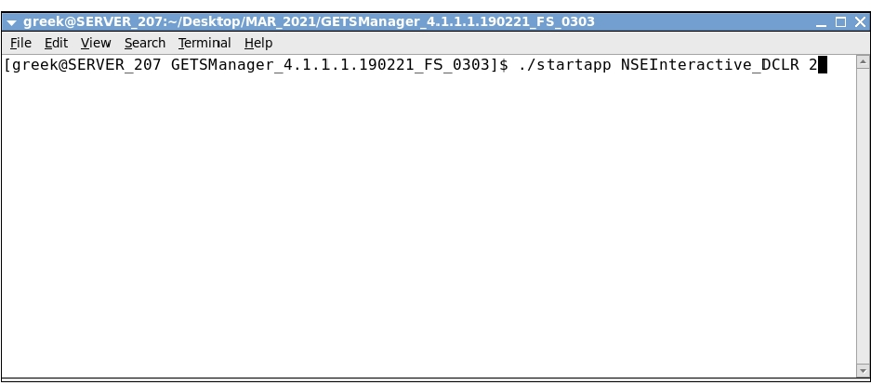

L. To start NSE Equity Broadcast for equity segment use command
./startapp NSEBroadCast 1

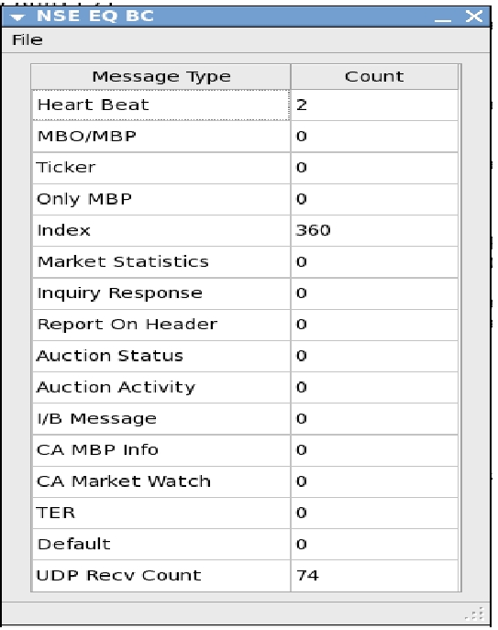

M. To start NSE Derivatives Broadcast for derivative segment use command
./startapp NSEBroadCast 2

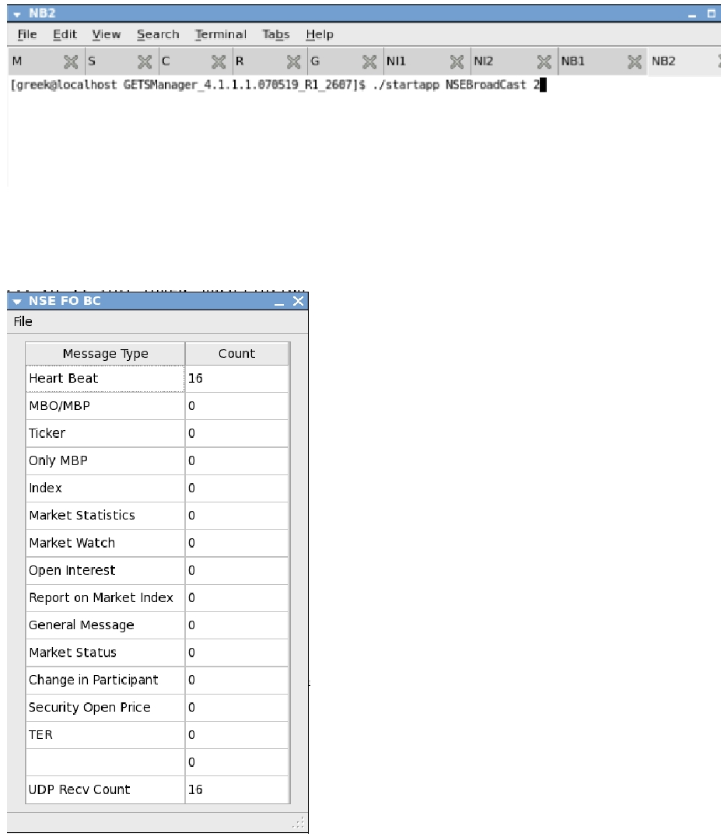

EOD
To perform EOD operation Use CTRL+C on every terminal. to end active session

Exchange Setting
For Direct Login NSE EQ |  |  |  | 1 |  |  | For Dummy Login NSE EQ
Segment | IP | Port |  | Segment | IP | Port | Segment | IP | Port
EQ | 172.19.245.107 | 10263 |  | EQ | 192.168.209.43 | 8690 | EQ | 192.168.209.50 | 2305

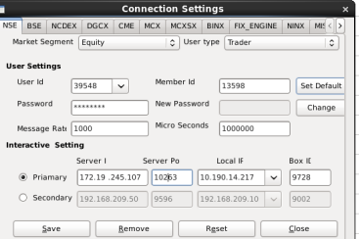
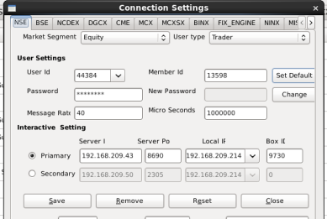
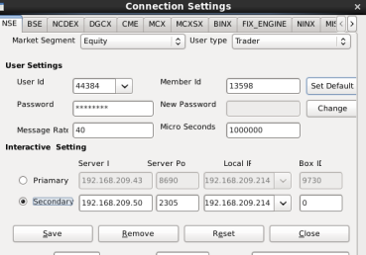

For Direct Login NSE FO |  |  |  | For Gtap Login NSE FO |  |  | For Dummy Login NSE FO
Segment | IP | Port |  | Segment | IP | Port | Segment | IP | Port
FO | 172.19.245.107 | 10262 |  | FO | 192.168.209.43 | 8611 | FO | 192.168.209.50 | 2306
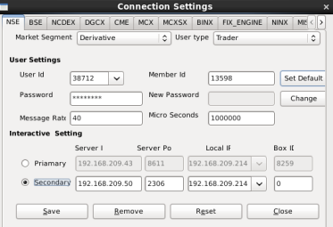
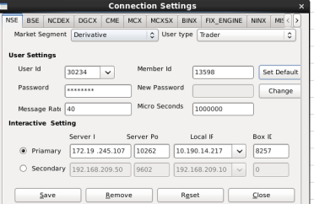
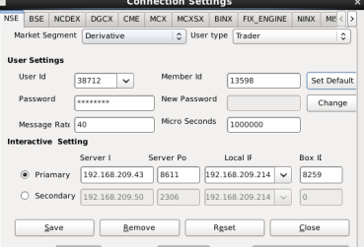

For Direct Login NSE CD |  |  |  | For Gtap Login NSE CD |  |  | For Dummy Login NSE CD
Segment | IP | Port |  | Segment | IP | Port | Segment | IP | Port
CD | 172.19.245.107 | 10261 |  | CD | 192.168.209.43 | 9695 | CD | 192.168.209.50 | 2303
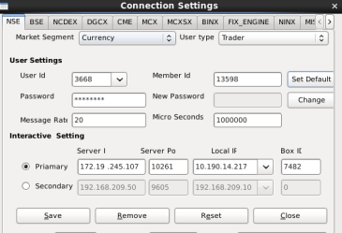
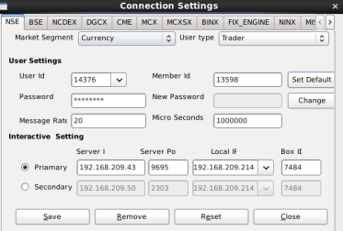
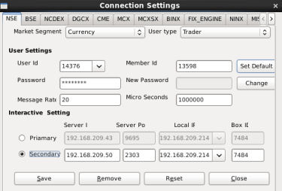

For Login BSE EQ |  |  |  | For Login BSE FO |  |  | For Login BSE CD
Segment | IP | Port |  | Segment | IP | Port | Segment | IP | Port
EQ | 192.168.209.40 | 5030 |  | FO | 192.168.209.40 | 5030 | CD | 192.168.209.40 | 5010

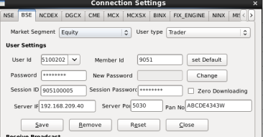
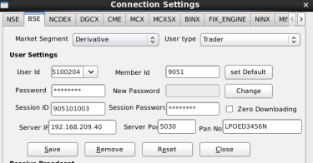
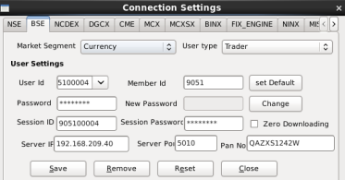

NSE EQ
Member Code | Member Name | Parent IP | CHILD IP | BOX ID | CM user ID
13598 | SILVER STREAM EQUITIES PRIVATE LIMITED | 10.190.14.210 | 10.190.14.216 | 9727 | 38968/39548
13598 | SILVER STREAM EQUITIES PRIVATE LIMITED | 10.190.14.210 | 10.190.14.217 | 9728 | 38968/39548
13598 | SILVER STREAM EQUITIES PRIVATE LIMITED | 10.190.14.210 | 10.190.14.218 | 9729 | 38968/39548
13598 | SILVER STREAM EQUITIES PRIVATE LIMITED | 10.190.14.210 | 10.190.14.219 | 9730 | 38968/39548
13598 | SILVER STREAM EQUITIES PRIVATE LIMITED | 10.190.14.210 | 10.190.14.220 | 9731 | 38968/39548
13598 | SILVER STREAM EQUITIES PRIVATE LIMITED | 10.190.14.210 | 10.190.14.216 | 9727 | 44384/44385
13598 | SILVER STREAM EQUITIES PRIVATE LIMITED | 10.190.14.210 | 10.190.14.217 | 9728 | 44384/44385
13598 | SILVER STREAM EQUITIES PRIVATE LIMITED | 10.190.14.210 | 10.190.14.218 | 9729 | 44384/44385
13598 | SILVER STREAM EQUITIES PRIVATE LIMITED | 10.190.14.210 | 10.190.14.219 | 9730 | 44384/44385
13598 | SILVER STREAM EQUITIES PRIVATE LIMITED | 10.190.14.210 | 10.190.14.220 | 9731 | 44384/44385
NSE FO
Member Code | Member Name | Parent IP | CHILD IP | BOX ID | FO User ID
13598 | SILVER STREAM EQUITIES PRIVATE LIMITED | 10.190.14.210 | 10.190.14.216 | 8256 | 29711/30234
13598 | SILVER STREAM EQUITIES PRIVATE LIMITED | 10.190.14.210 | 10.190.14.217 | 8257 | 29711/30234
13598 | SILVER STREAM EQUITIES PRIVATE LIMITED | 10.190.14.210 | 10.190.14.218 | 8258 | 29711/30234
13598 | SILVER STREAM EQUITIES PRIVATE LIMITED | 10.190.14.210 | 10.190.14.219 | 8259 | 29711/30234
13598 | SILVER STREAM EQUITIES PRIVATE LIMITED | 10.190.14.210 | 10.190.14.220 | 8260 | 29711/30234
13598 | SILVER STREAM EQUITIES PRIVATE LIMITED | 10.190.14.210 | 10.190.14.216 | 8256 | 38712/38713
13598 | SILVER STREAM EQUITIES PRIVATE LIMITED | 10.190.14.210 | 10.190.14.217 | 8257 | 38712/38713
13598 | SILVER STREAM EQUITIES PRIVATE LIMITED | 10.190.14.210 | 10.190.14.218 | 8258 | 38712/38713
13598 | SILVER STREAM EQUITIES PRIVATE LIMITED | 10.190.14.210 | 10.190.14.219 | 8259 | 38712/38713
13598 | SILVER STREAM EQUITIES PRIVATE LIMITED | 10.190.14.210 | 10.190.14.220 | 8260 | 38712/38713

NSE CD
Member Code | Member Name | Parent IP | CHILD IP | BOX ID | CD User ID
13598 | SILVER STREAM EQUITIES PRIVATE LIMITED | 10.190.14.210 | 10.190.14.216 | 7481 | 3668/4757
13598 | SILVER STREAM EQUITIES PRIVATE LIMITED | 10.190.14.210 | 10.190.14.217 | 7482 | 3668/4757
13598 | SILVER STREAM EQUITIES PRIVATE LIMITED | 10.190.14.210 | 10.190.14.218 | 7483 | 3668/4757
13598 | SILVER STREAM EQUITIES PRIVATE LIMITED | 10.190.14.210 | 10.190.14.219 | 7484 | 3668/4757
13598 | SILVER STREAM EQUITIES PRIVATE LIMITED | 10.190.14.210 | 10.190.14.220 | 7485 | 3668/4757
13598 | SILVER STREAM EQUITIES PRIVATE LIMITED | 10.190.14.210 | 10.190.14.216 | 7481 | 14376/14377
13598 | SILVER STREAM EQUITIES PRIVATE LIMITED | 10.190.14.210 | 10.190.14.217 | 7482 | 14376/14377
13598 | SILVER STREAM EQUITIES PRIVATE LIMITED | 10.190.14.210 | 10.190.14.218 | 7483 | 14376/14377
13598 | SILVER STREAM EQUITIES PRIVATE LIMITED | 10.190.14.210 | 10.190.14.219 | 7484 | 14376/14377
13598 | SILVER STREAM EQUITIES PRIVATE LIMITED | 10.190.14.210 | 10.190.14.220 | 7485 | 14376/14377

Broadcast Settings
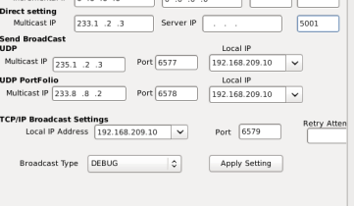
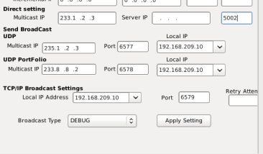
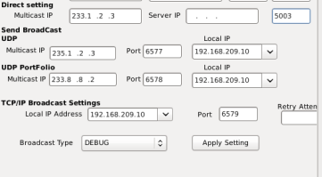
Live's Fast Broadcast NSE(EQ) |  |  | Live's Fast Broadcast NSE(FO) |  |  | Live's Fast Broadcast NSE(CD)
Segment | Multicast IP | Port | Segment | Multicast IP | Port | Segment | Multicast IP | Port
EQ | 233.1.2.5 | 5589 | FO | 233.1.2.5 | 5590 | CD | 233.1.2.5 | 5591
Bcast type | Install |  | Bcast type | Install |  | Bcast type | Install
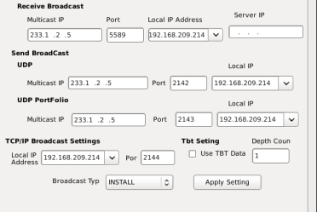
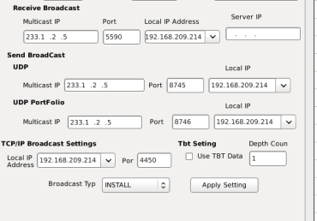
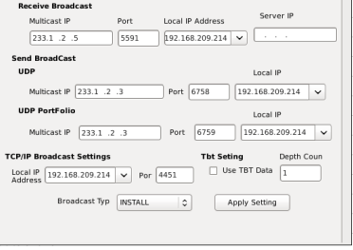

Sender's Broadcast NSE(EQ) |  |  | Sender's Broadcast NSE(FO) |  |  | Sender's Broadcast NSE(CD)
Segment | Multicast IP | Port | Segment | Multicast IP | Port | Segment | Multicast IP | Port
FO | 233.1.2.3 | 7801 | FO | 233.1.2.3 | 7802 | CD | 233.1.2.3 | 7803
Bcast type | Debug |  | Bcast type | Debug |  | Bcast type | Debug

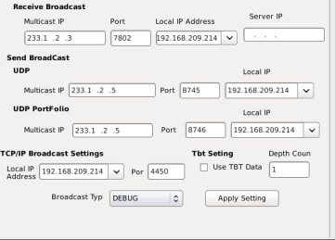
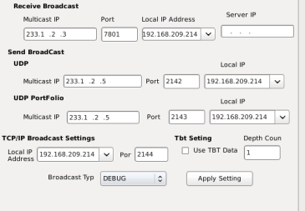
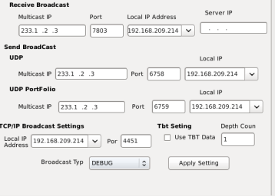

 |  |  | Slow Broadcast NSE(FO) |  |  | Slow Broadcast NSE(CD)
Segment | Multicast IP | Port | Segment | Multicast IP | Port | Segment | Multicast IP | Port
EQ | 233.1.2.7 | 7774 | FO | 233.1.2.7 | 7775 | CD | 233.1.2.7 | 7776
Bcast type | Install |  | Bcast type | Install |  | Bcast type | Install
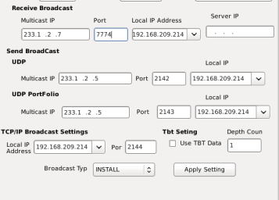
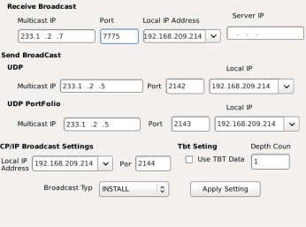
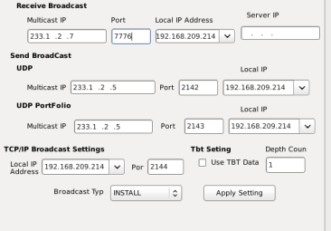

Live's Fast Broadcast BSE(EQ) |  |  | Live's Fast Broadcast BSE(FO) |  |  | Live's Fast Broadcast BSE(CD)
Segment | Multicast IP | Port | Segment | Multicast IP | Port | Segment | Multicast IP | Port
EQ | 233.1.2.3 | 7001 | FO | 233.1.2.3 | 7002 | CD | 233.1.2.3 | 7003
Bcast type | Debug |  | Bcast type | Debug |  | Bcast type | Debug

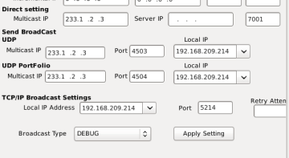
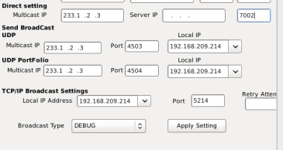
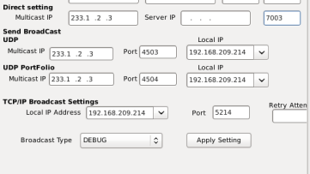

Slow Broadcast BSE(EQ) |  |  | Slow Broadcast BSE(FO) |  |  | Slow Broadcast BSE(CD)
Segment | Multicast IP | Port | Segment | Multicast IP | Port | Segment | Multicast IP | Port
EQ | 233.1.2.3 | 5001 | FO | 233.1.2.3 | 5002 | CD | 233.1.2.3 | 5003
Bcast type | Debug |  | Bcast type | Debug |  | Bcast type | Debug

IMP Files for BOD Operation
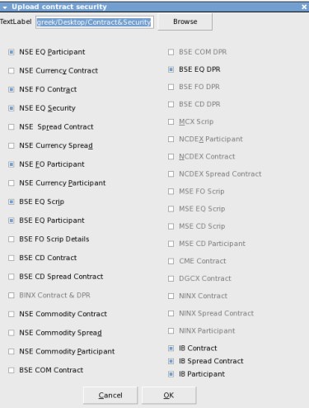
Important files for BOD :-
We need contract files for performing BOD operation as per mapped segment which is to be kept under folder named as CONTRACT on anywhere on the system.
User can choose CONTRACT folder name and CONTRACT folder location according to them.
We need to set appropriate path in manager folder
After starting first component that is: ./Startapp CTCLManager
Go to Manager > Upload Contract/Security

Browse the Contracts folder path, check on required contracts from the list and click ok

Let the contract security upload process complete before starting any other component.
Start other components as mentioned in GREEK BOD document.

